Free.Map
Mapping table | External code | Internal code
CATEGORYPY | AED | 1
CATEGORYPY | AUD | 1
CATEGORYPY | BHD | 1
CATEGORYPY | BRL | 2
CATEGORYPY | CAD | 1
CATEGORYPY | CNY | 1
CATEGORYPY | EUR | 1
CATEGORYPY | GBP | 1
CATEGORYPY | HKD | 1
CATEGORYPY | IDR | 2
CATEGORYPY | INR | 1
CATEGORYPY | JPY | 1
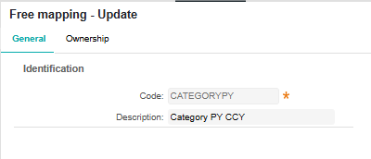
CATEGORYPY | KRW | 2
CATEGORYPY | MMK | 2
CATEGORYPY | MYR | 2
CATEGORYPY | NZD | 1 | CATEGORYPY
CATEGORYPY | PHP | 1
CATEGORYPY | SEK | 1 | Category PY CCY
CATEGORYPY | SGD | 1
CATEGORYPY | THB | 1
CATEGORYPY | TWD | 2
CATEGORYPY | USD | 1
CATEGORYPY | VND | 2

Map.ACC
Mapping table | External code | Internal code | Description
DEBITACC | CO101 | COMMHCBJPY01 | COM_Mizuho_Branch01_JPY_0000001
DEBITACC | CO102 | COMMHCBJPY02 | COM_Mizuho_Branch01_JPY_0000002
DEBITACC | CO103 | COMMHCBJPY03 | COM_Mizuho_Branch02_JPY_0000003
DEBITACC | CO104 | COMMHCBUSD04 | COM_Mizuho_Branch02_USD_0000004
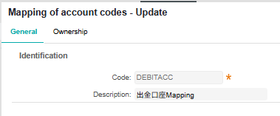
DEBITACC | CO105 | COMMHCBEUR05 | COM_Mizuho_Branch02_EUR_0000005
DEBITACC | CO106 | COMMHCBAUD06 | COM_Mizuho_Branch02_AUD_0000006 | DEBITACC
DEBITACC | CO107 | COMMHCBJPY07 | COM_Mizuho_Branch02_JPY_0000007 | 出金口座Mapping
DEBITACC | CO108 | COMMHCBJPY08 | COM_Mizuho_Branch02_JPY_0000008
DEBITACC | CO109 | COMMHCBCNY09 | COM_Mizuho_Branch02_CNY_0000009
DEBITACC | CO901 | COMSMBCJPY01 | COM_SMBC_Branch01_JPY_0000001
DEBITACC | CO902 | COMSMBCJPY02 | COM_SMBC_Branch02_JPY_0000002
DEBITACC | CO903 | COMSMBCJPY03 | COM_SMBC_Branch03_JPY_0000003
DEBITACC | CO904 | COMSMBCJPY04 | COM_SMBC_Branch04_JPY_0000004
DEBITACC | CO905 | COMSMBCCNY05 | COM_SMBC_Branch01_CNY_0000005
DEBITACC | CO906 | COMSMBCUSD06 | COM_SMBC_Branch01_USD_0000006
DEBITACC | CO907 | COMSMBCEUR07 | COM_SMBC_Branch01_EUR_0000007
DEBITACC | CO908 | COMSMBCGBP08 | COM_SMBC_Branch01_GBP_0000008
DEBITACC | CO909 | COMSMBCAUD09 | COM_SMBC_Branch01_AUD_0000009
DEBITACC | CO501 | COMBOTKJPY01 | COM_MUFG_Branch01_JPY_0000001
DEBITACC | CO502 | COMBOTKJPY02 | COM_MUFG_Branch02_JPY_0000002
DEBITACC | CO503 | COMBOTK USD03 | COM_MUFG_Branch01_USD_0000003
DEBITACC | CO504 | COMBOTKEUR04 | COM_MUFG_Branch01_EUR_0000004

ES
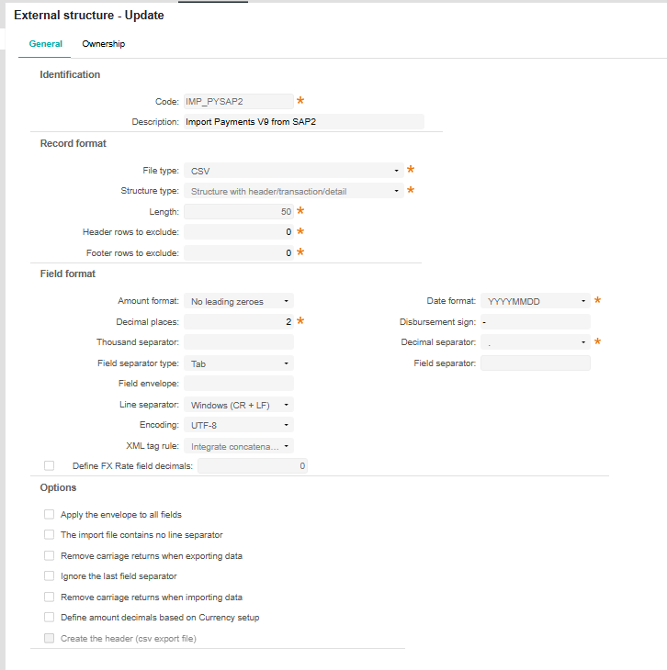

IMP_PYSAP2

Import Payments V9 from SAP2

